Stats
Misc stats
Round 17 tipping stats. |  |  |  |  | Match Results AFL Round 17 |  |  |  | # of tippers correct
 |  | Tips Entered | 123 | 69% | Geelong 91 d Melbourne 63 |  |  | 62 | 50.4%
 |  | Average score this week | 5.7 |  | Sydney 120 d Western Bulldogs 67 |  |  | 99 | 80.5%
 |  | Wild Cards played | 2 |  | Collingwood 88 d North Melbourne 81 |  |  | 120 | 97.6%
 |  | Average Wild Card score | 4.5 |  | Gold Coast 94 d Richmond 92 |  |  | 37 | 30.1%
 |  |  |  |  | Fremantle 111 d St Kilda 70 |  |  | 59 | 48.0%
AFL Ladder After Round 17 |  |  |  |  | Port Adelaide 84 d GWS Giants 29 |  |  | 106 | 86.2%
 | Team |  | % | Pts | Essendon 100 d Brisbane Lions 90 |  |  | 3 | 2.4%
1 | Geelong |  | 136% | 48 | Hawthorn 86 d Adelaide 54 |  |  | 105 | 85.4%
2 | Melbourne |  | 133% | 48 | Carlton 116 d West Coast 53 |  |  | 109 | 88.6%
3 | Fremantle |  | 124% | 48
4 | Brisbane Lions |  | 124% | 44
Tipping Summary
5 | Carlton |  | 117% | 44
6 | Collingwood |  | 106% | 44 | Score | Count
7 | Sydney |  | 120% | 40 | 0 | 1
8 | Richmond |  | 116% | 36 | 1 | 0
9 | St Kilda |  | 104% | 36 | 2 | 6
10 | Western Bulldogs |  | 110% | 32 | 3 | 23
11 | Gold Coast |  | 109% | 32 | 4 | 23
12 | Port Adelaide |  | 109% | 32 | 5 | 37
13 | GWS Giants |  | 89% | 20 | 6 | 52
14 | Hawthorn |  | 87% | 20 | 7 | 30
15 | Adelaide |  | 83% | 20 | 8 | 5
16 | Essendon |  | 82% | 20 | 9 | 0
17 | West Coast |  | 56% | 8
18 | North Melbourne |  | 52% | 4

Quarter Tipping Ranking - Quarter 3 |  |  |  |  | Supporters' Summary
 |  | Tips OK | Hit Rate | Game 1 Pts diff | Team Followed | Backed | Ducked
1 | Ross Burridge | 38 | 84% | 104 | Geelong | 12 | -
2 | Lee Beaumont | 37 | 82% | 175 | Melbourne | 7 | -
3 | Anita Bourn | 37 | 82% | 514 | Sydney | 5 | -
4 | Craig Owens | 36 | 80% | 104 | Western Bulldogs | 3 | 2
5 | Tyler Carter | 35 | 78% | 92 | Collingwood | 14 | -
6 | Anne Bassett | 35 | 78% | 97 | North Melbourne | - | 12
7 | Lindsay Garwood | 35 | 78% | 98 | Gold Coast | 1 | -
8 | Diane Izbicki | 35 | 78% | 151 | Richmond | 13 | 1
9 | Alanna Cannon | 35 | 78% | 172 | St Kilda | 5 | 4
10 | Eric Hermanis | 34 | 76% | 91 | Fremantle | - | -
11 | James Teirney | 34 | 76% | 139 | Port Adelaide | - | -
12 | Greg Williams | 34 | 76% | 161 | GWS Giants | - | -
13 | Teresa Harris | 34 | 76% | 181 | Brisbane Lions | 2 | -
14 | Mark Bresnehan | 34 | 76% | 268 | Essendon | 1 | 5
15 | Rocky Findlater | 33 | 73% | 45 | Hawthorn | 9 | 1
16 | Lisa Harris | 33 | 73% | 57 | Adelaide | - | 1
17 | Adam Foster | 33 | 73% | 66 | West Coast | 1 | -
18 | Chris Lord | 33 | 73% | 68 | Carlton | 16 | -
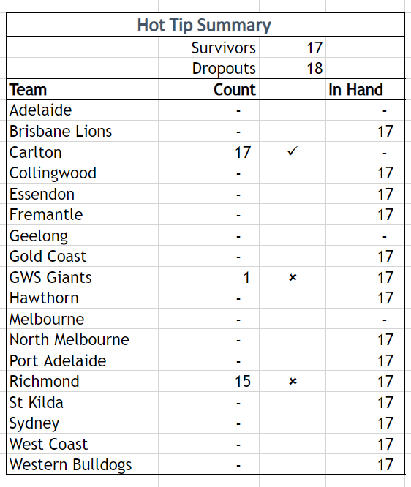
19 | Steve Robertson | 33 | 73% | 69
20 | Lisa Hoffman | 33 | 73% | 93

